Sheet1
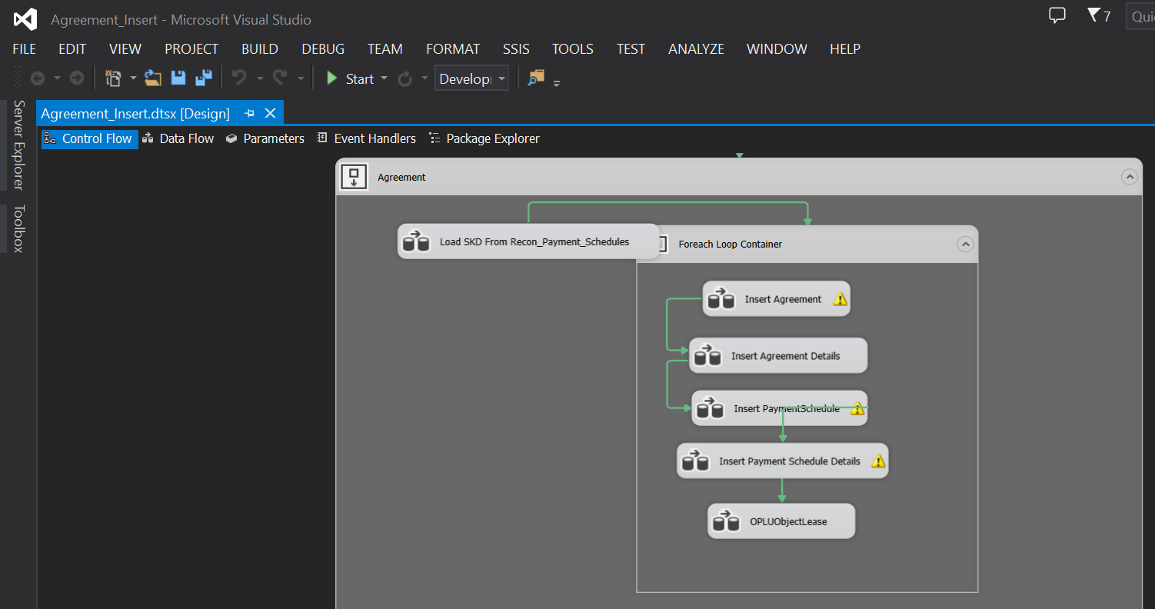
Migrasi data recon, minta dulu data recon di kirim ke PIC MFAPPL jika belum di kirim ( filter by Agreement Number )

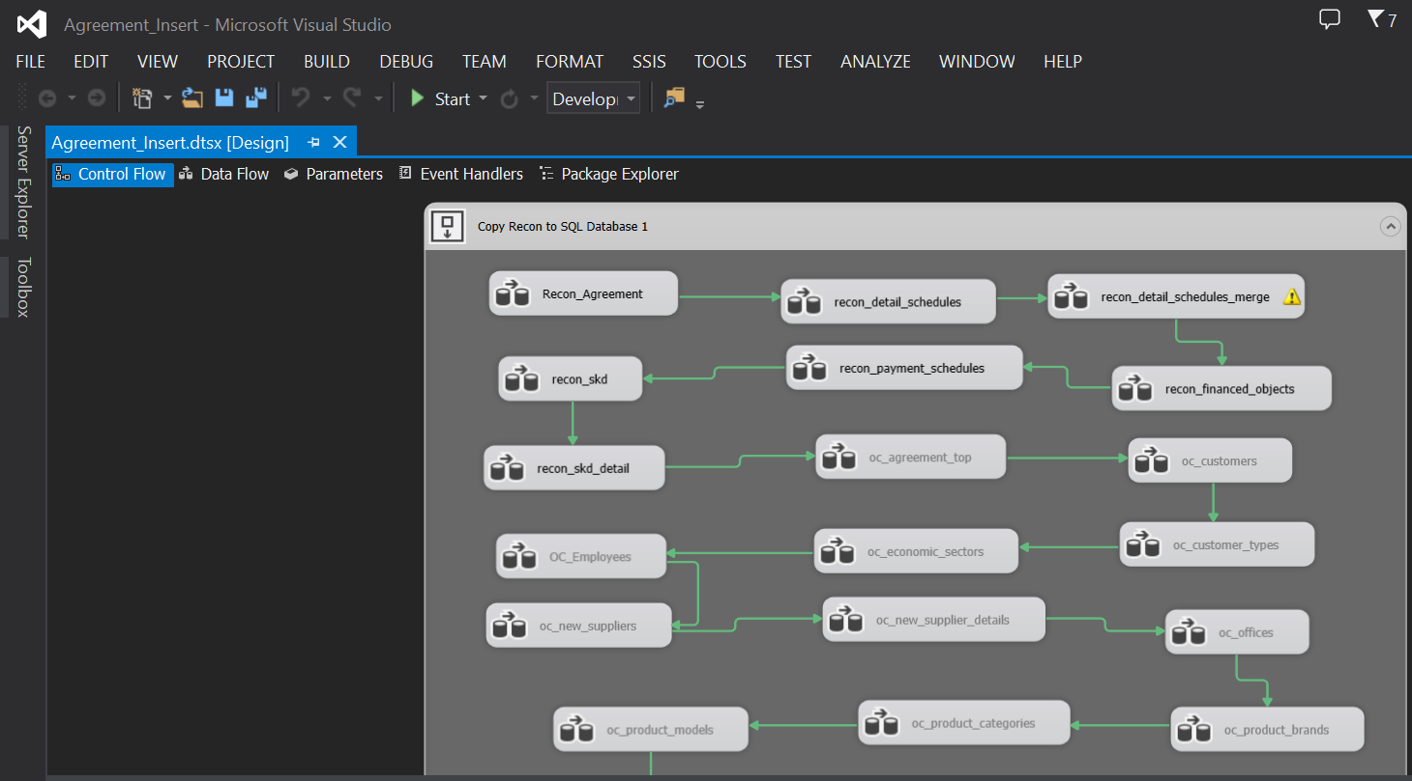

Setelah recon selesai, lanjut migrasi Calculation - SKD ( filter by Agreement Number )

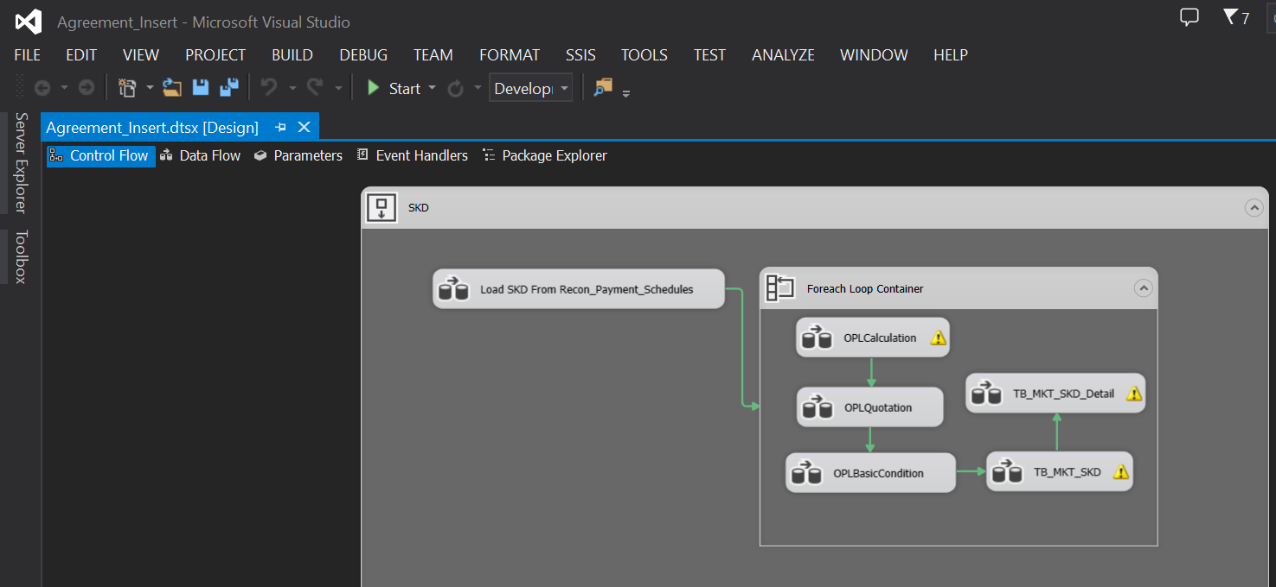

Lanjut migrasi Agreement - Unit

Sheet2
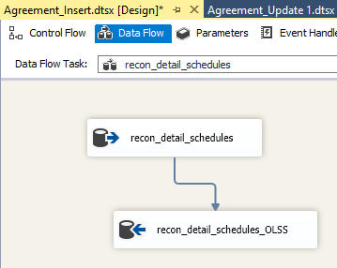
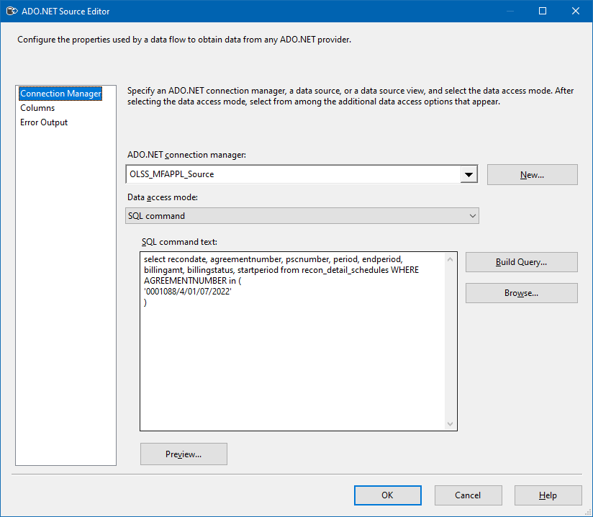
0 | Connection Managers

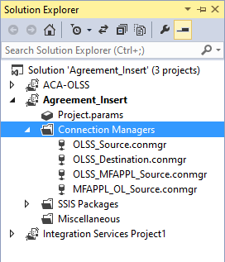
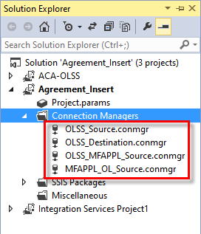

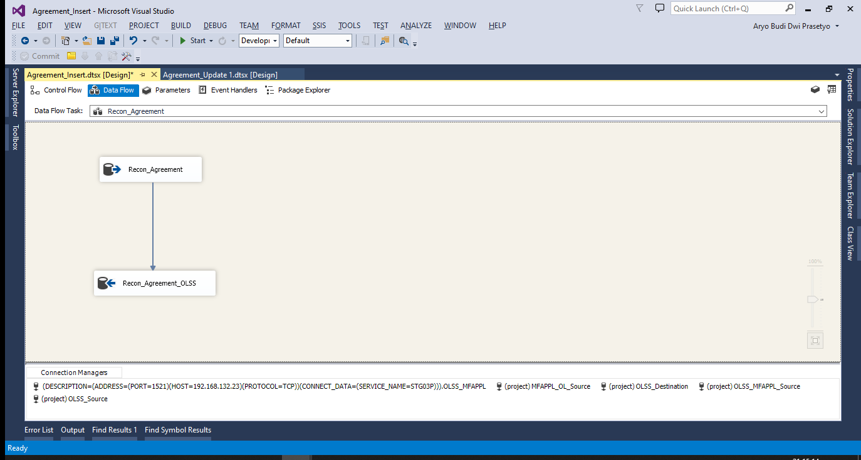
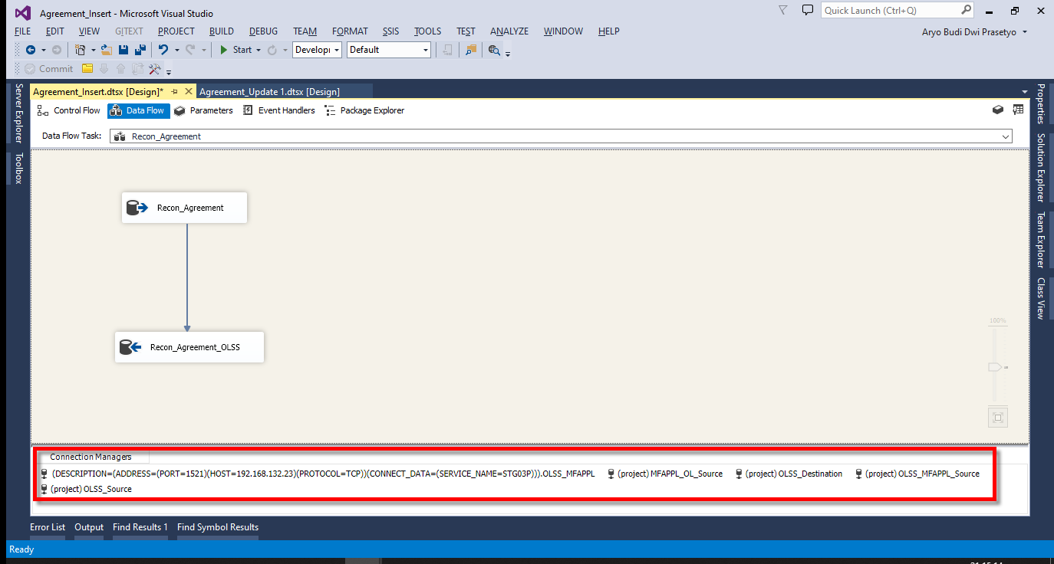

 | SQL SERVER | ORACLE

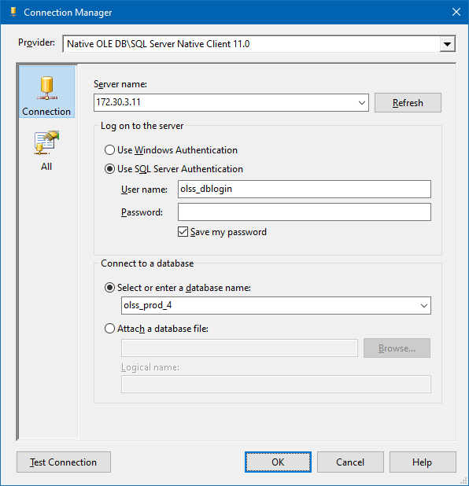
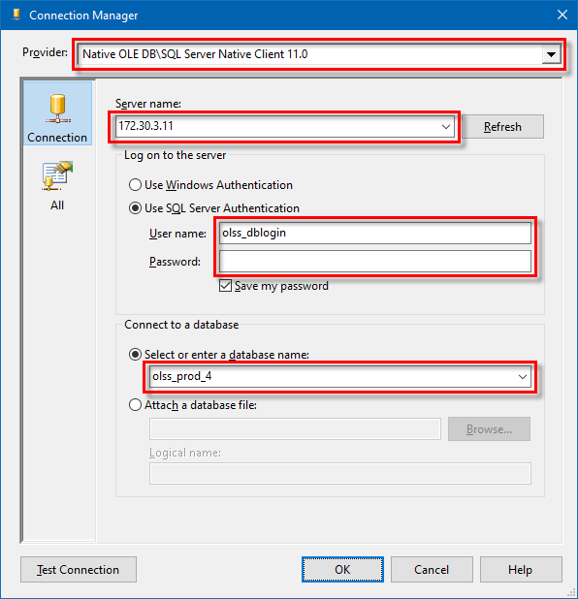
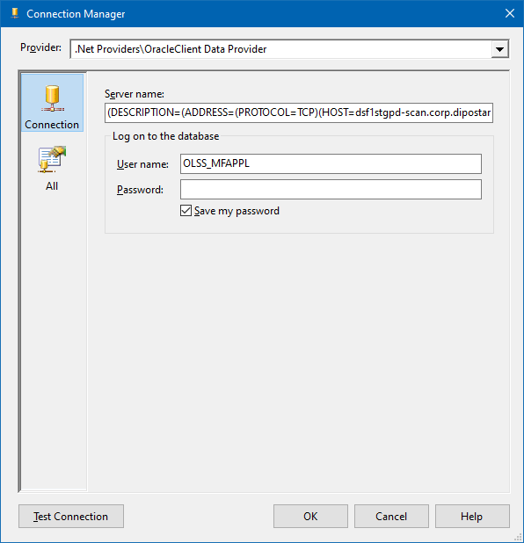
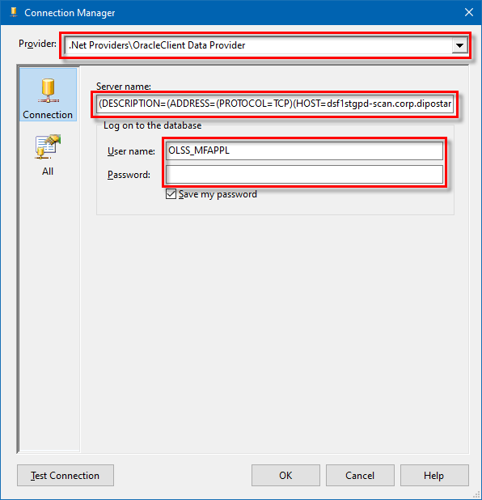

0 | Recon Migration

 | Request staging Recon Data to Tim MFAPPL

 | Email Sample:
 | RE: Service Request S0280399 RE: #197832 - #201120 - Migrasi Data Kendaraan PT Kinarya Selarasa Piranti

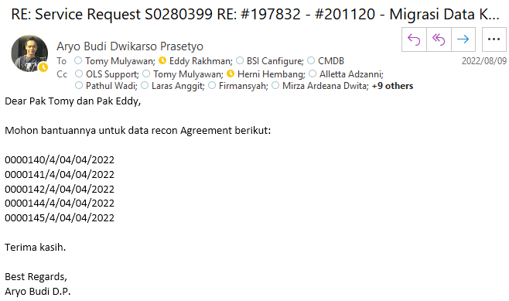

0 | Migration Process

 | Open SSIS Pacakge

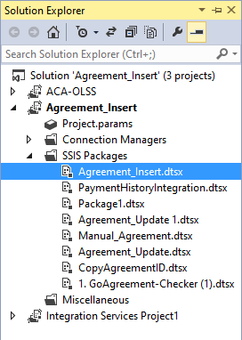
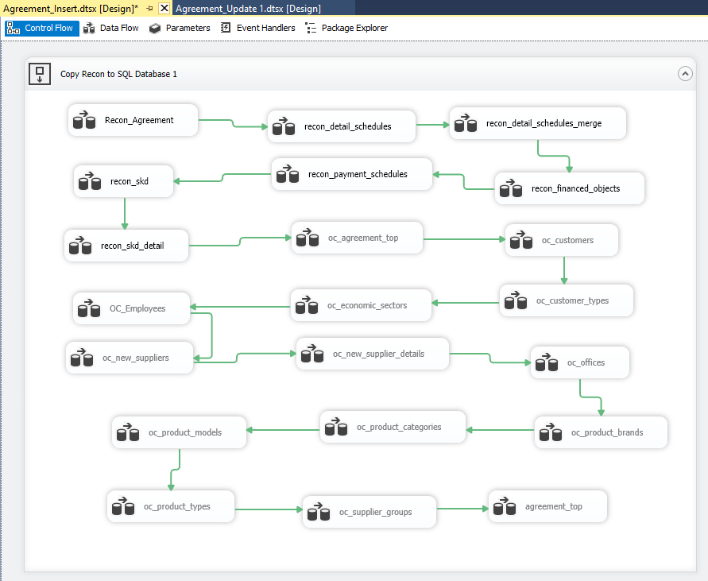

 | Urutan Proses Migrasi Recon lihat di sini:
 | S0272274 - (Urgent) Migrasi Data MFAPPL ke OLSS (Agreement PT KSP 3 Agreement)
 | 20220613MON

 | Recon Agrement ((Sample Screen)

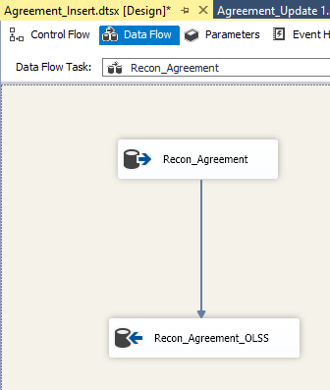
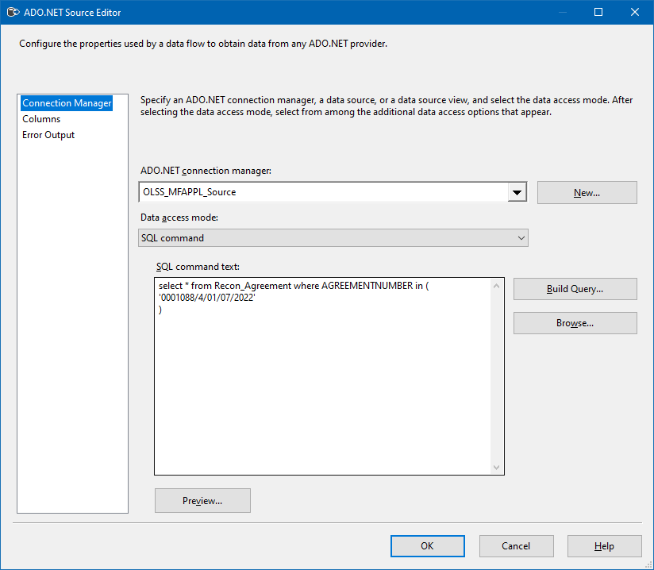

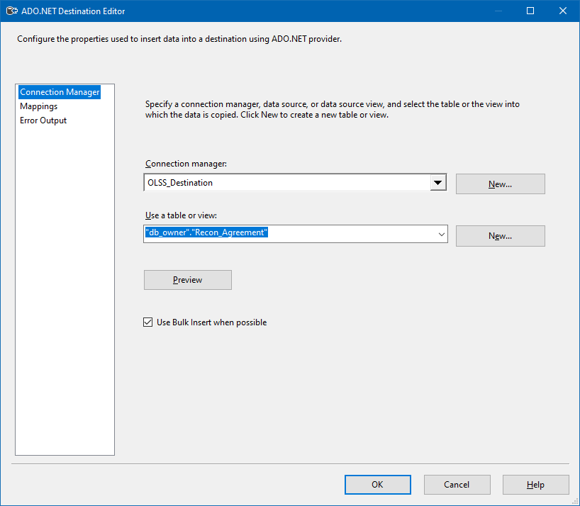

 | Execute Task

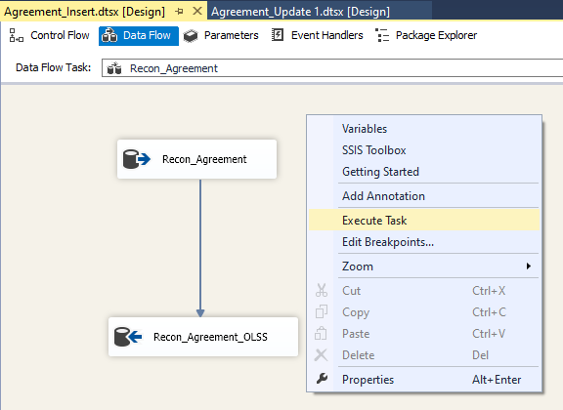
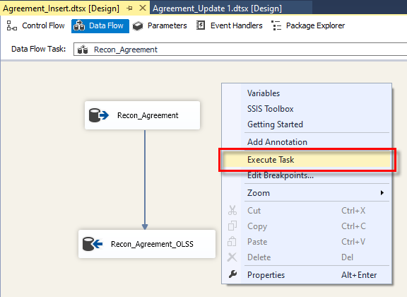

0

 | Recon Detail Schedules

Sheet3
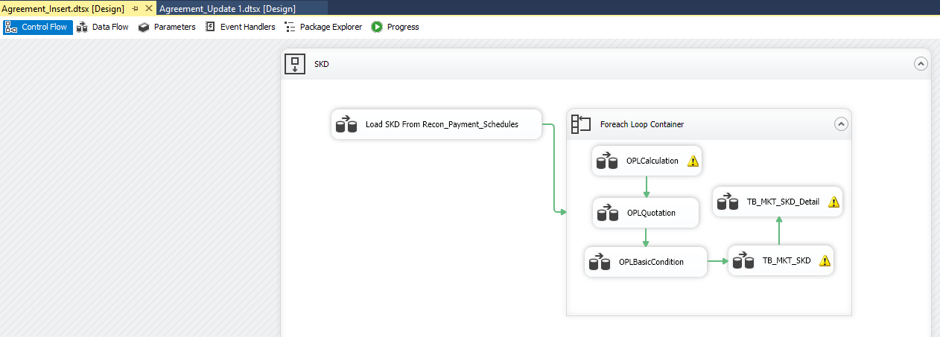
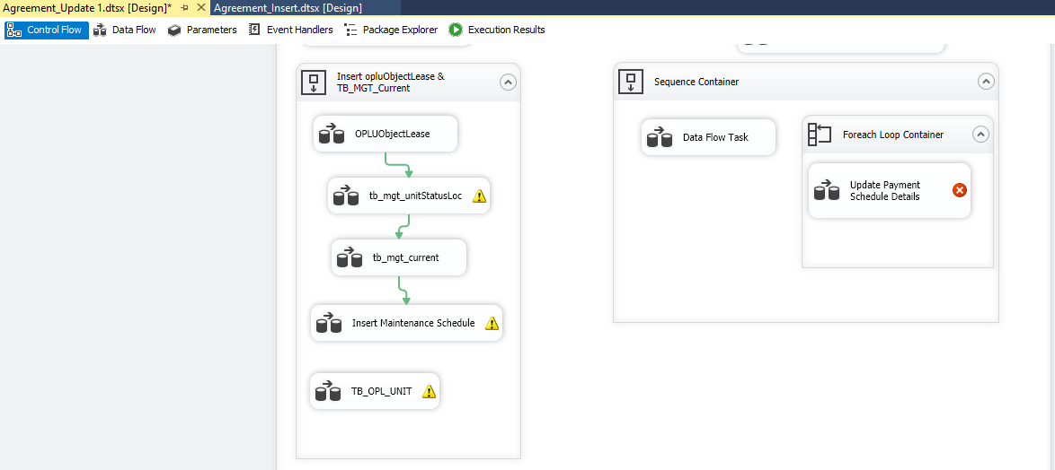
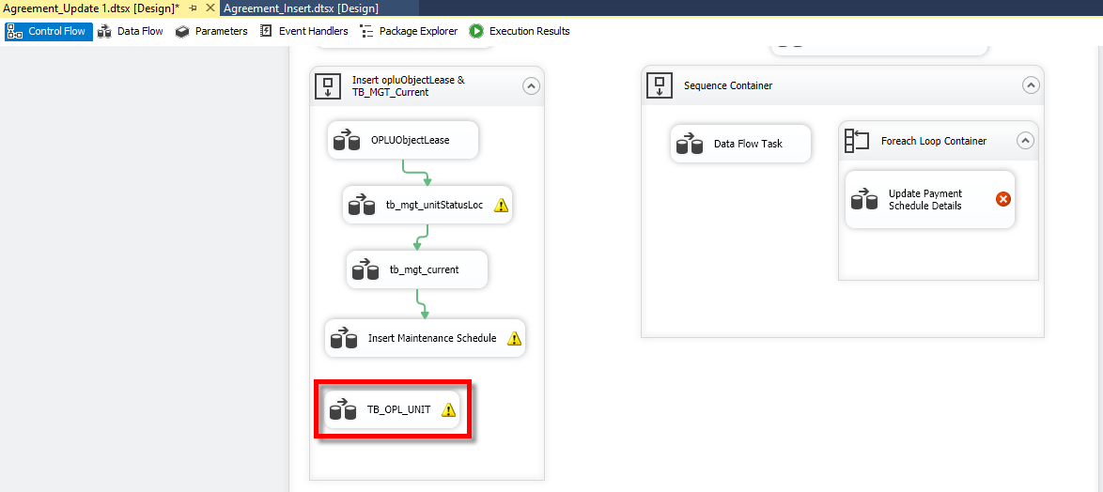
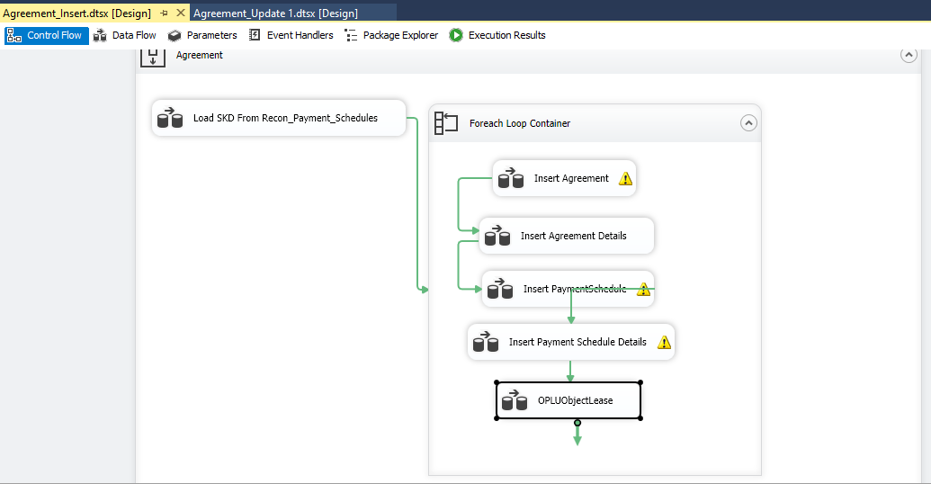
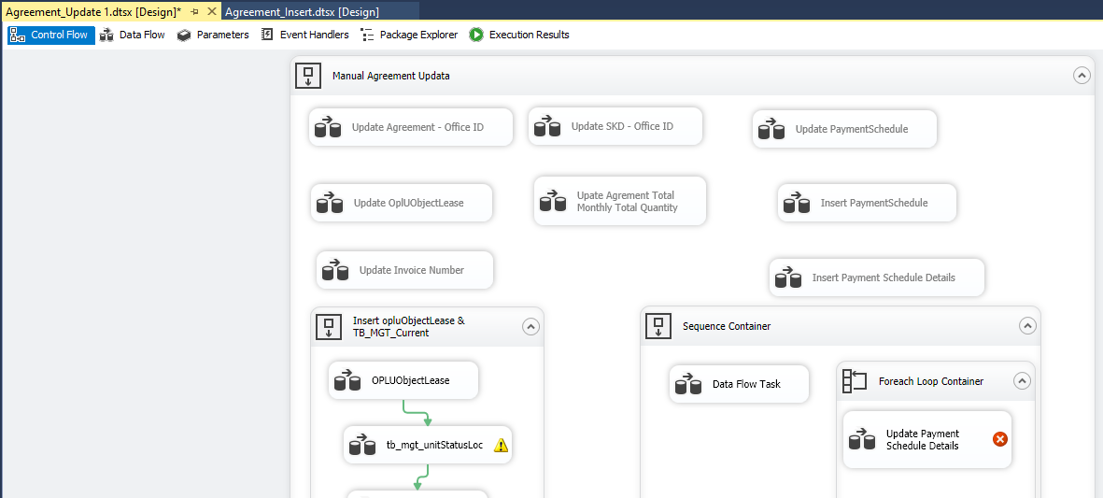
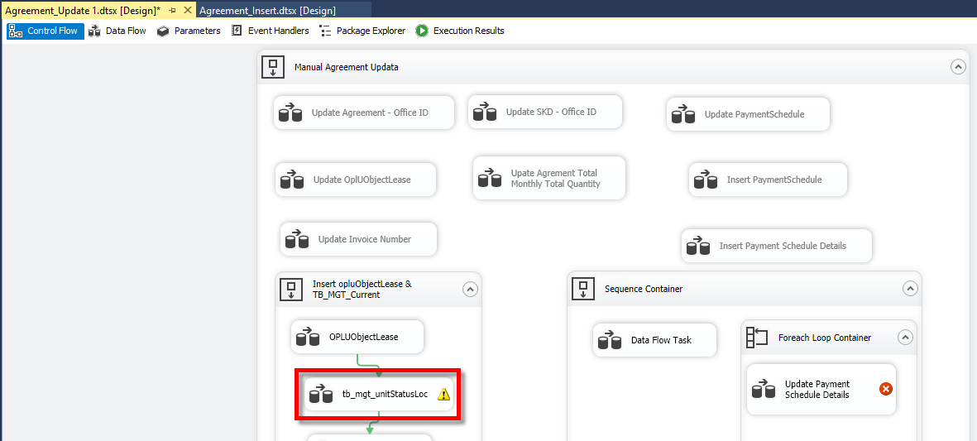
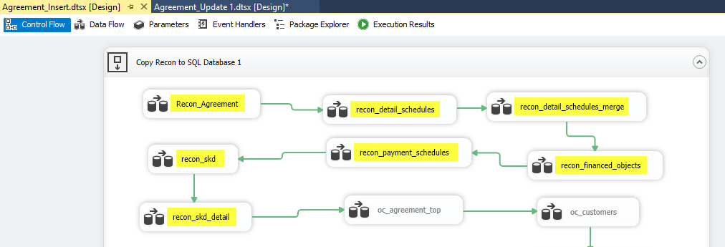

select a.* from db_owner.recon_agreement a where a.agreementnumber = '0000744/4/08/08/2022';
select a.* from db_owner.recon_detail_schedules a where a.agreementnumber = '0000744/4/08/08/2022';
select a.* from db_owner.recon_detail_schedules_merge a where a.agreementnumber = '0000744/4/08/08/2022';
select a.* from db_owner.recon_financed_objects a where a.agreementnumber = '0000744/4/08/08/2022';
select a.* from db_owner.recon_payment_schedules a where a.agreementnumber = '0000744/4/08/08/2022';

select a.* from db_owner.recon_skd a where a.skd_number = '0000694/4/08/08/2022';
select a.* from db_owner.recon_skd_detail a where a.skd_number = '0000694/4/08/08/2022';

select a.* from Tb_MKT_SKD a where a.SKDNo = '0000694/4/08/08/2022';
select a.* from Tb_MKT_SKD_Dtl a where a.IdTb_MKT_SKD = 4442;
select a.* from OPLAgreement a where a.AgreementNumber = '0000744/4/08/08/2022';
select a.* from OPLAgreementDetails a where a.IdOPLAgreement = 3498;
select a.* from Tb_BIL_PaySchedule a where a.IdOPLAgreement = 3498;
select a.* from Tb_BIL_PayScheduleDtl a where a.IdTb_BIL_PaySchedule = 4515;
select a.* from OPLUObjectLease a where a.IdOPLAgreement = 3498;

select a.* from Tb_OPL_Unit a where a.CreatedBy = 'Migrasi MFAPPL' and convert(date, a.CreatedDate) = '2022-10-03' order by a.CreatedDate desc;

